Exhibit A
Exhibit A

ESTIMATED LINCOLN TRAIL FEE EXPLANATION
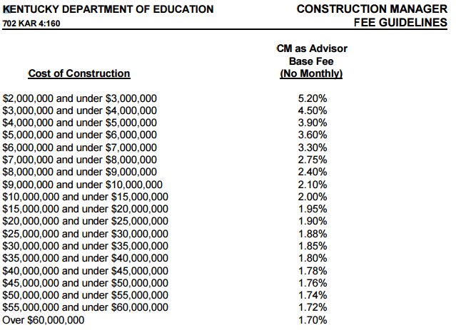

This is just an estimated fee. The actual fee amount will be calculated once all bids have been accepted by the
Hardin County Board of Education. 5% of the total Fee amount will be withheld from Alliance Corp until a BG 5
has been approved by the Hardin County Board of Education for the Project. The fee percentage will based off of
the KDE Construction Manager Fee Guidelines CM as Advisor Base Fee Chart (See Above). The CM fee % will be
calculated off of the total accepted bid construction cost for all phases of the project combined. For ex., if the Project
has two phases each totaling $ 25 million each, the CM fee will be based off of 50 million or 1.74% less.02% (1.72%).
See example below:

Central Hardin High School Rennovation
CONSTRUCTION COST PHASE 1 |  | $25,000,000.00
KDE FEE % (rounded to nearest $100k) | 1.88% | $470,000.00
CONSTRUCTION COST PHASE 2 |  | $25,000,000.00
KDE FEE % (rounded to nearest $100k) | 1.88% | $470,000.00
Alliance Corp FEE % (rounded to nearest $100k) | 1.72% | $860,000.00
DISTRICT SAVINGS $ |  | $80,000.00

ESTIMATED TOTAL FEE (rounded to nearest $100k) | $860,000.00
Fee withholding % | 5.0%

See 11.1 from Contract | Presconstruct | Construction | TOTAL
% per Phase | 10% | 90% | 100%
Fee Per Phase | $86,000.00 | $774,000.00 | $275,600.00
Withholding per Phase | $4,300.00 | $38,700.00 | $13,780.00

Monthly On Site Fee

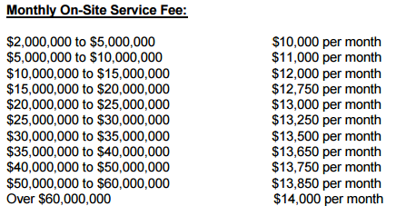

The monthly on site fee will be based off of the actual BG 1 Consruction Cost for each phase.
The estimated additional monthly on site service fee will be $ 13,000 per calendar month from the date ground is broken (Project
Start Date as determined by the Architect) on the project until the scheduled date of final completion. Should the project
extend past the scheduled date of final completion no further monthly on site fee will be due by or charged to the
Hardin County Board of Education and will become an expense of Alliance Corporation, unless the provisions of
11.7.3.1 are met.

Late Fee Provision

A late fee of $ 500 per day will be assessed to Alliance Corp for each day they fail to meet the agreed upon
substantial completion deadline for the project. An additional late fee of $ 1,000 per day will be assessed to
Alliance Corp for each day they fail to meet the final completion deadline for the project as set forth in section _1.1.4_. In the
event that Alliance Corporation is able to demonstrate that a Sub Contractor is the cause of the delay, Alliance Corp may
recover the above mentioned late fees from the responsible party and remit that to the Hardin County Board of
Education, less reimbursable expenses not to exceed $ 13,000 a month. It is Alliance Corp's responsibility to ensure
that each Sub Contractor is aware of this late fee provision and agrees to it. The 5% of the CM as advisor base fee base will
continue to be withheld until all late fees are paid in full, less any reimbursable expenses incurred by Alliance Corp.

Unclean/Not Well Maintained Project Site Provision

Alliance corporation will ensure that all subcontractors maintain a clean well maintained job site for all trades. The
Hardin County Board of Education reserves the right to complete weekly cleanliness inspections to determine if the
project site is being cleaned and well maintained. In the event that the Hardin County Board of Education or it's
representative determines that the site is unclean or not well maintained, the HCSBOE will notify Alliance Corp and
give them 7 calendar days to clean the site. If after 7 calendar days, HCSBOE or it's representative determine that
the site is still unclean or not well maintained they will use a portion of Alliance's Corps C/M Fee allocation to pay to
get the site clean.

INCLEMENT WEATHER DAY SCHEDULE

See Article 21 Attachment

